Job Details

Job Number & Name: | 35084 LB Bexley
Site Number/Name: | Site 16 - Days Lane (East)
Client: | Waterman
Date: | 2023-03-30

Site Plan
Advanced Transport Research |  |  | Job Number & Name: | 35084 LB Bexley
Site 16 - Days Lane (East) |  |  | Date: | 2023-03-30

Job Type: | Pedestrian & Vehicle Count
Co-ordinates: | 51°26'46.55"N, 0° 5'43.01"E | Postcode: | DA15 8JX |  | Times: | 0730-0930 1430-1630

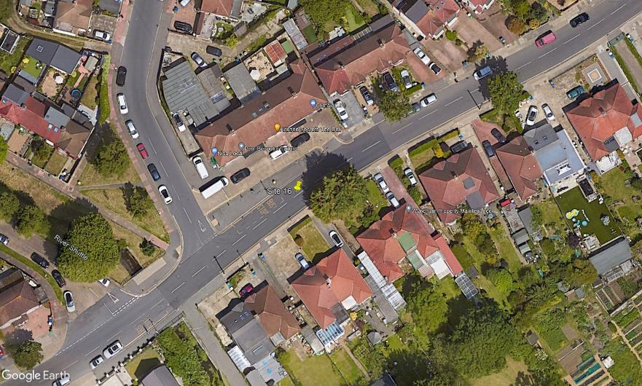
N

Fen Grove

1

B
A

D

C

2
3

Days Lane

